CFP
5 | Form Name | สรุปการปล่อยก๊าซเรือนกระจกของผลิตภัณฑ์ Summary of the product's greenhouse gas emissions
 | Data for the year (period)
 | Record Document Name | For the staff of the Office of the Inspector General.
 | Control Document Number | For the staff of the Office of the Inspector General.
 | Company Name
 | Product Name
Explanation: | Displays a diagram of the proportion of greenhouse gas emissions of products according to the established scope.

Life cycle |  | GHG emissions of acquisition and utilization of raw materials Energy & Resources (kgCO2 eq.) | GHG emissions of transportation raw materials Energy & Resources (kgCO2 eq.) | Total (kgCO2 eq.) | Ratio

Acquisition of raw materials |  | #DIV/0! | #DIV/0! | #DIV/0! | #DIV/0!
Production |  | #DIV/0! | #DIV/0! | #DIV/0! | #DIV/0!
Distribution |  | - | #DIV/0! | #DIV/0! | #DIV/0!
Usability |  | - | - | - | #DIV/0!
Wreck Management |  | #DIV/0! | #DIV/0! | #DIV/0! | #DIV/0!
Land use change |  |  |  | - | #DIV/0!
Total |  | #DIV/0! | #DIV/0! | #DIV/0! | #DIV/0!

Prepared by | (Consultant/Calculator) | Finish Date | The date the inspector completed the inspection | Modified Date | In the case of the Administrative Office of the Ministry of Health, the amendment shall be amended

 |  | ค่าการปล่อย GHG แต่ละขั้น
Acquisition of raw materials |  | -
Production |  | -
Distribution |  | -
Usability |  | -
Wreck Management |  | -
Land use change |  | -

CFO
 | Summary of corporate greenhouse gas emissions |  |  |  |  | TCFO_R_01 Version 04 : 21/2/2020

 | Form Name | Greenhouse Gas List |  | Organization |  | page | 6
 | Form ID | Fr-05 |  | Organizer |  | date
Current Year | January 2023 - December 2023
tonCO2-eq
 | Scope | Corporate greenhouse gas emissions | Proportions compared to Scope 1 and 2 | Proportions compared to scopes 1, 2 and 3

 | Type 1 | 64.76 | 97.74 | 11.91
 | Type 2 | 1.50 | 2.26 | 0.28
 | Type 3 | 477.27 |  | 87.81
 | Other | -
 | Total Scope 1 & 2 | 66 | 100.00
 | Total Scope 1 & 2 & 3 | 544 |  | 100.00

 | Carbon intensity (Scope 1+2) |  | 1.47E-04 | TonCO2eq/ | kg
 | Carbon intensity (Scope 1+2+3) |  | 3.62E-03 | TonCO2eq/ | kg

Base Year | January 2023 - December 2023

CH4 Septic Tank
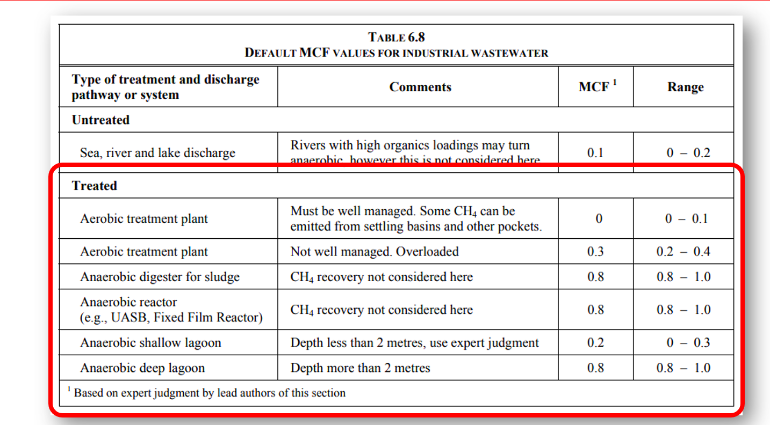
Methane from the use of the toilet

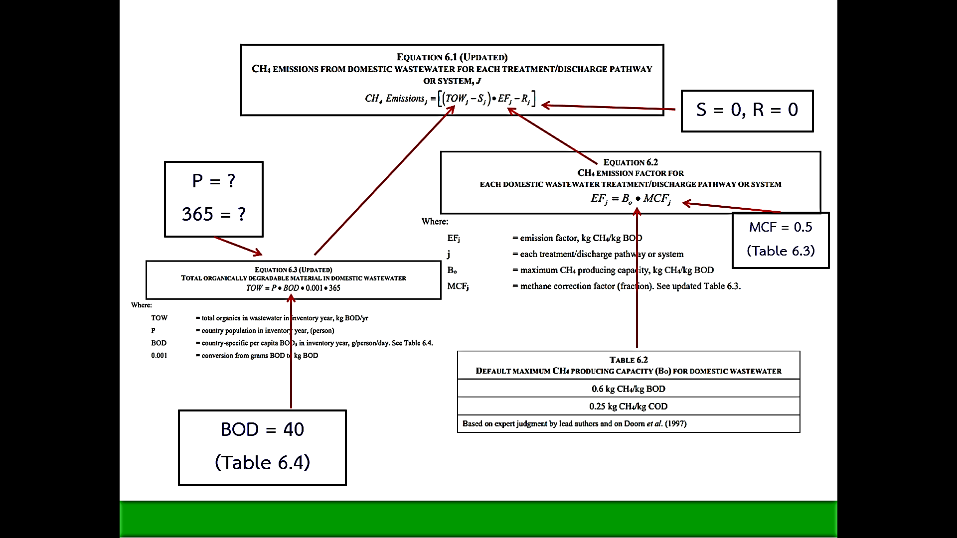
P = | 100.00
BOD = | 40.00
TOW = | 1,120.00 | kg BOD/y

Bo = | 0.60
MCF = | 0.50
EF = | 0.30 | kg CH4 / kg BOD

CH4 = | 336.00 | kg CH4

